Worksheet
Image Produit | Référence | Marque | Couleur | Stock By Size | Stock Total | WholeSale Price | Take All Price | Total Take All Price | Retail Price | Order / Commande
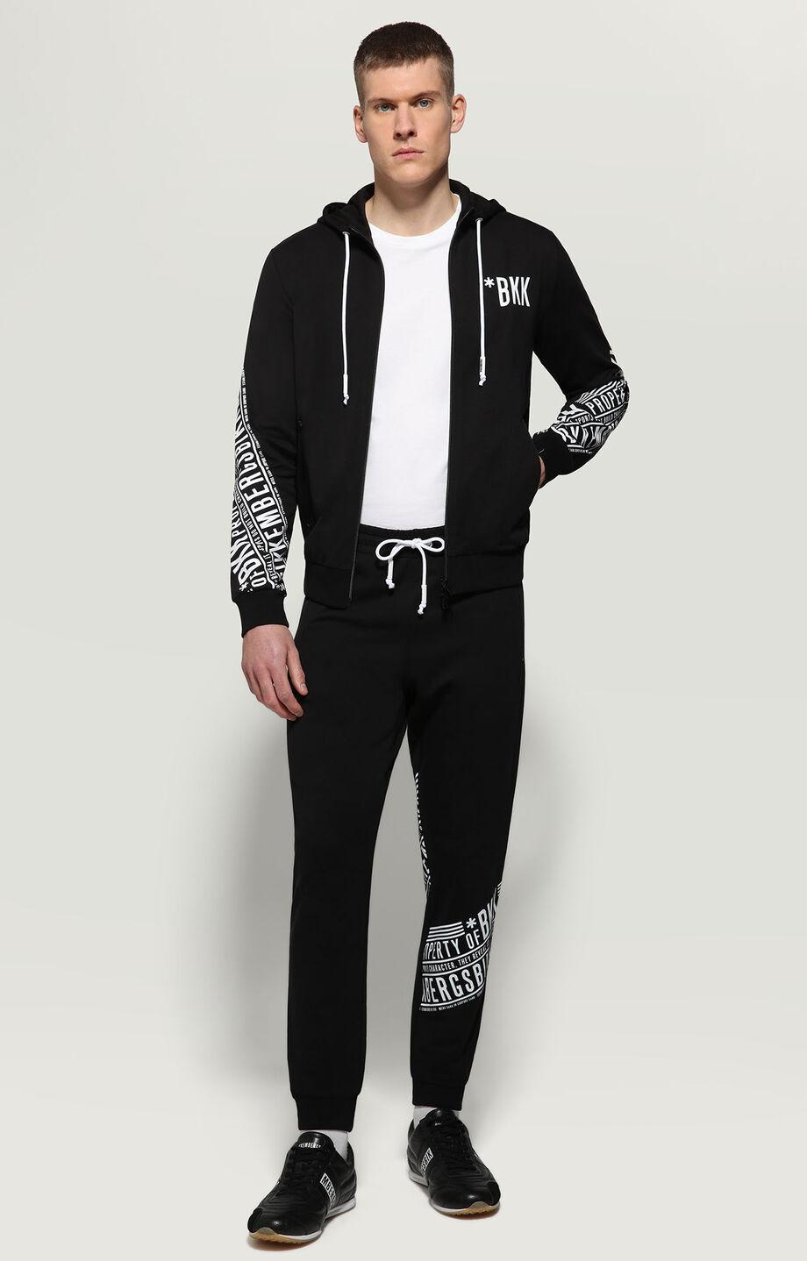 | C005501 E2355 C74 | Bikkembergs | Black | ( 1 t. S ) || ( 2 t. XS ) | 3 | 202.80 € | 187.20 € | 561.60 € | 420.00 €
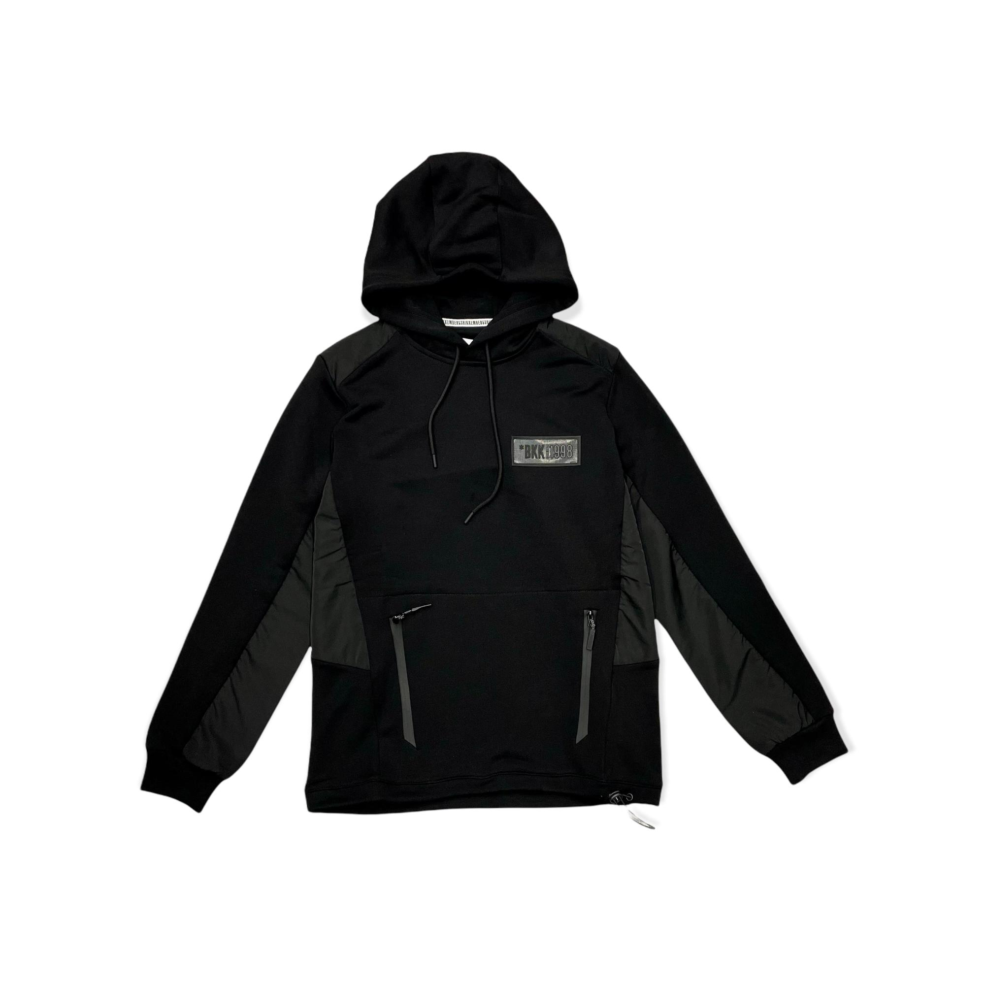 | C621880E2293 C74 | Bikkembergs | Black | ( 1 t. L ) | 1 | 130.00 € | 120.00 € | 120.00 € | 270.00 €
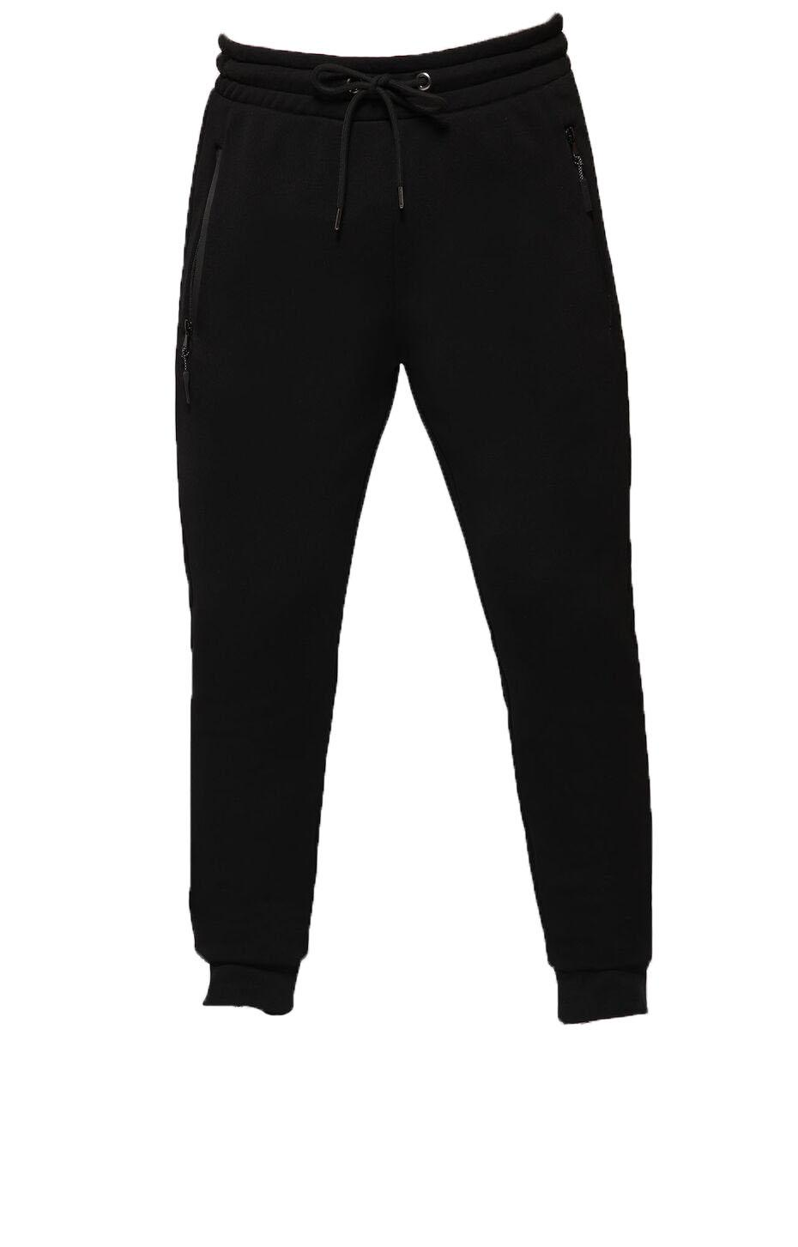 | C121580E2293 C74 | Bikkembergs | Black | ( 1 t. XL ) | 1 | 105.30 € | 97.20 € | 97.20 € | 220.00 €
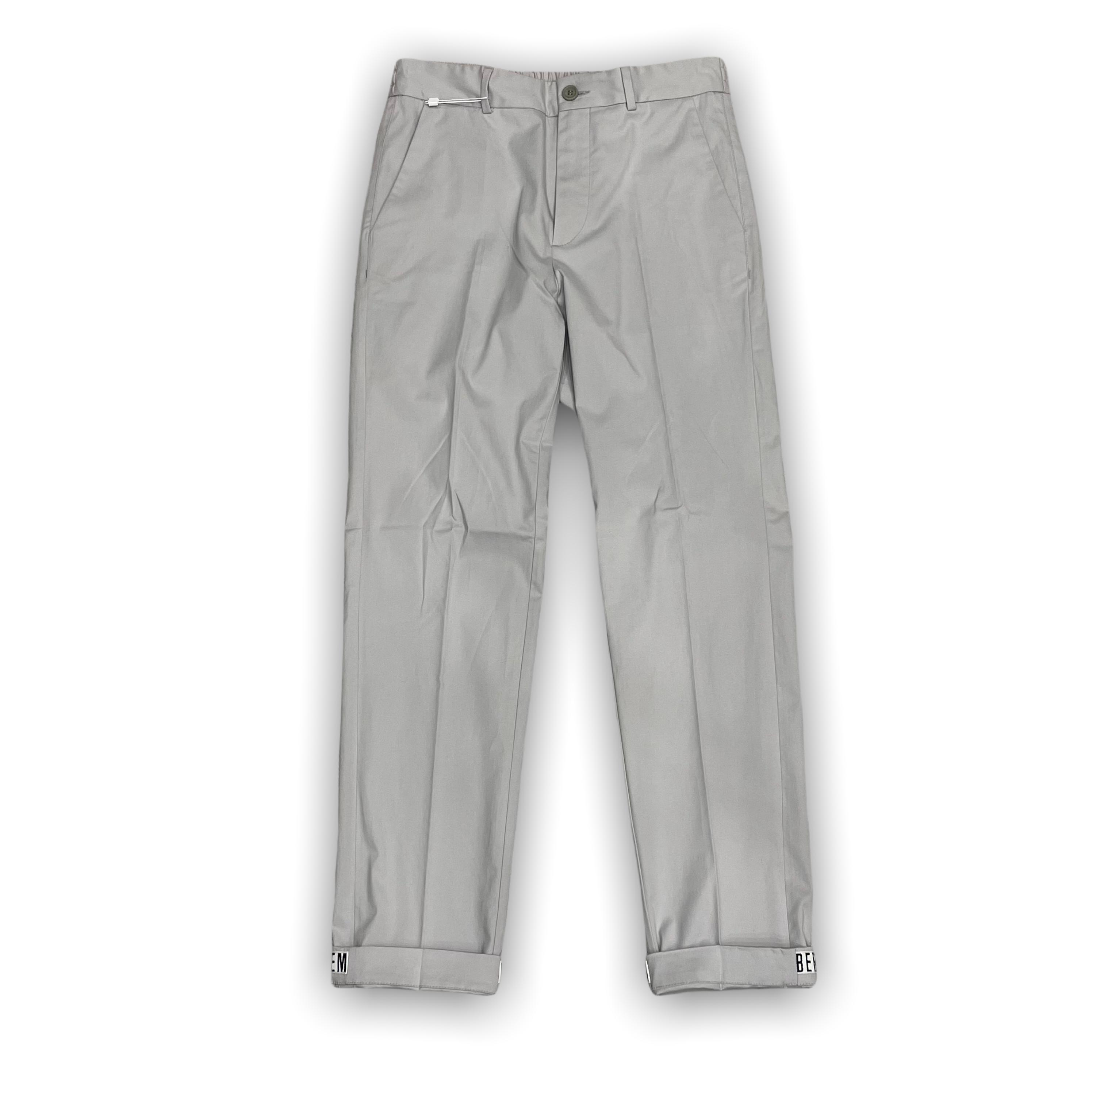 | CP08081S A63 | Bikkembergs | Grey | ( 1 t. IT52 ) | 1 | 97.50 € | 90.00 € | 90.00 € | 205.00 €
 |  |  |  |  | 0 |  |  | 0

