Worksheet
Image Produit | Référence | Marque | Couleur | Stock By Size | Stock Total | WholeSale Price | Take All Price | Total Take All Price | Retail Price | Order / Commande
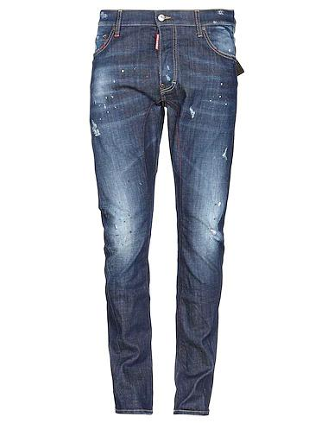 | S74LB0203 470 | Dsquared2 | Blue | ( 2 t. IT46 ) | 2 | 198.90 € | 183.60 € | 367.20 € | 580.00 €
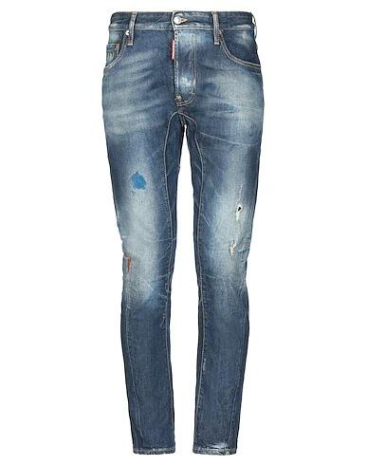 | S71LB0482 470 | Dsquared2 | Blue | ( 1 t. IT46 ) || ( 1 t. IT48 ) | 2 | 237.25 € | 219.00 € | 438.00 € | 590.00 €
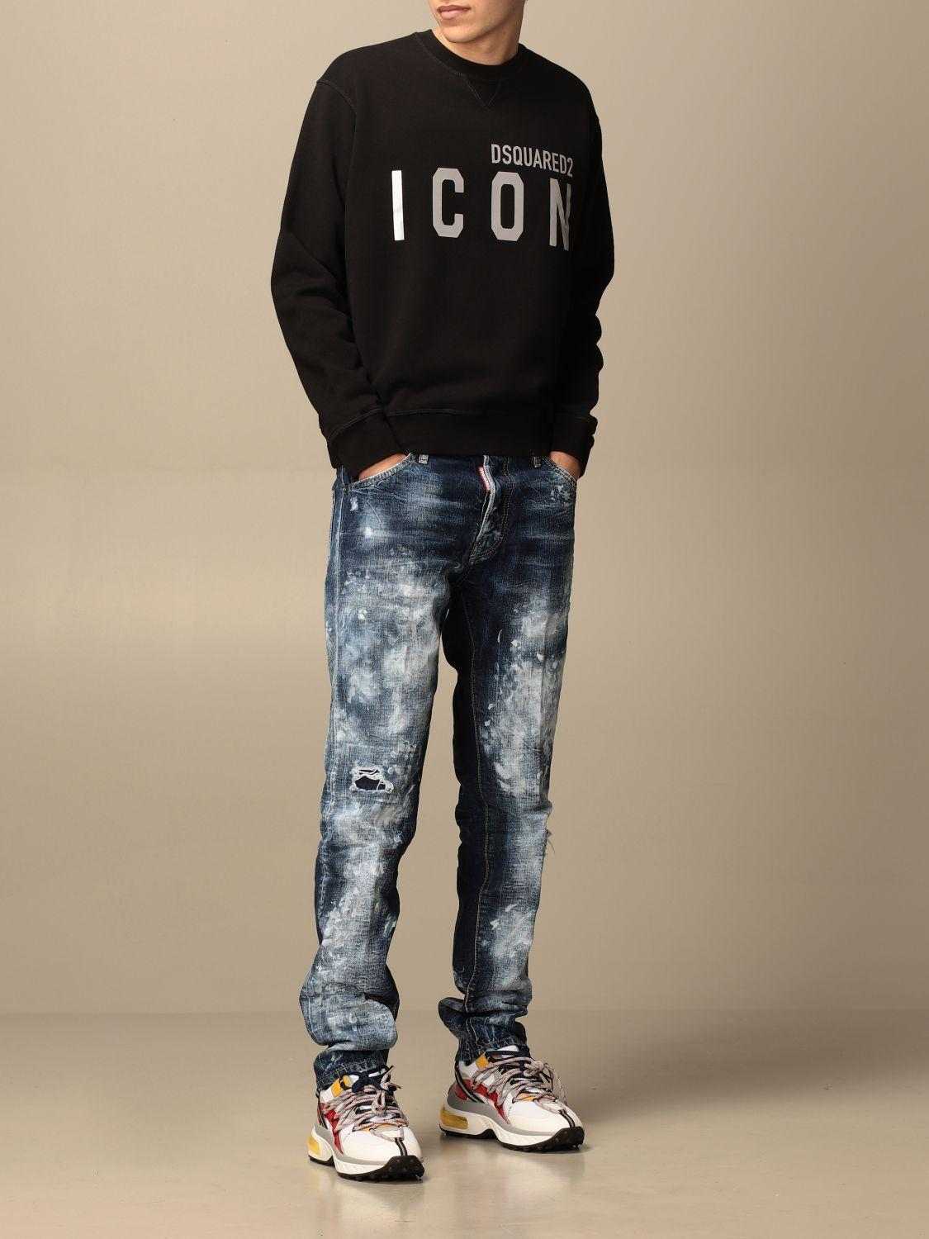 | S71LB0913 470 | Dsquared2 | Blue | ( 1 t. IT44 ) || ( 2 t. IT46 ) || ( 2 t. IT48 ) | 5 | 172.90 € | 159.60 € | 798.00 € | 520.00 €
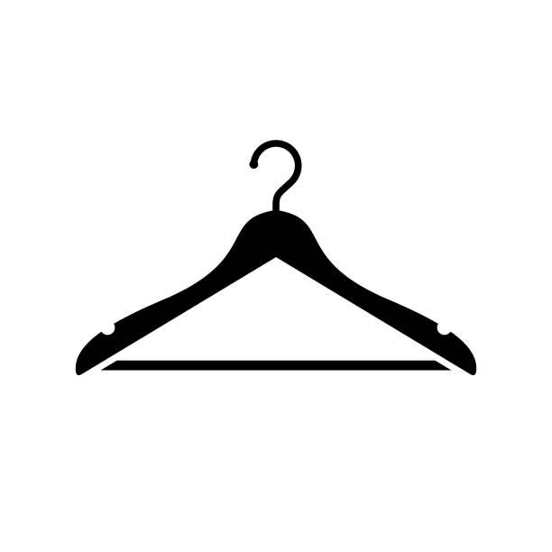 | S71LB0741 S30309 470 | Dsquared2 | Blue | ( 1 t. IT44 ) || ( 2 t. IT46 ) | 3 | 201.50 € | 186.00 € | 558.00 € | 470.00 €
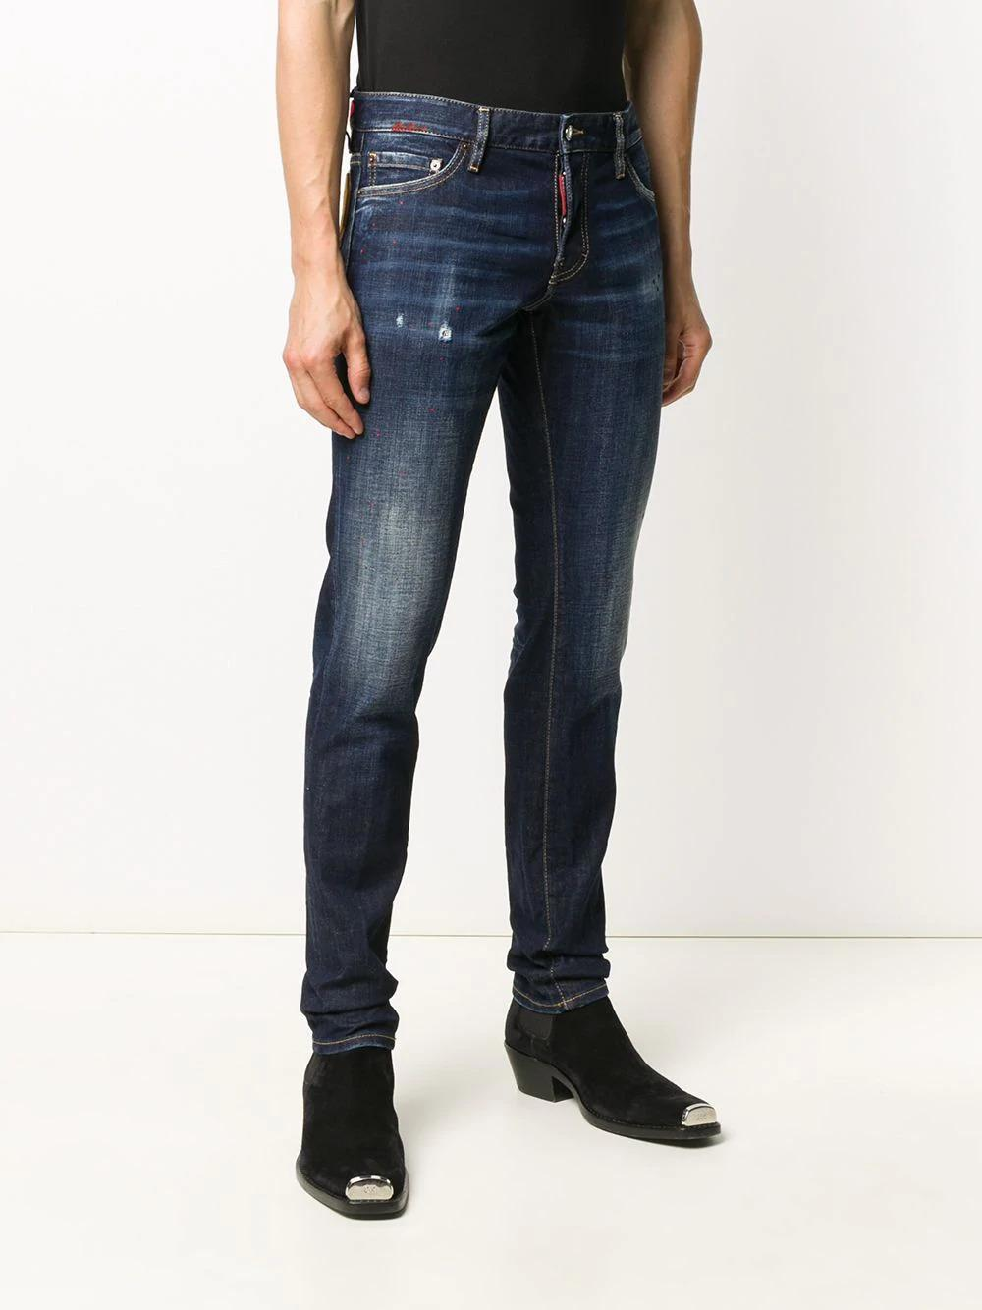 | S74LB0767 S30664 470 | Dsquared2 | Blue | ( 1 t. IT44 ) || ( 1 t. IT50 ) | 2 | 299.00 € | 276.00 € | 552.00 € | 520.00 €
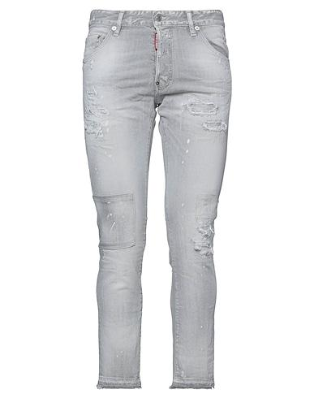 | S74LB0988 852 | Dsquared2 | Grey | ( 1 t. IT46 ) | 1 | 237.25 € | 219.00 € | 219.00 € | 530.00 €
 | S74LB0765S30664 470 | Dsquared2 | Blue | ( 1 t. IT44 ) || ( 1 t. IT54 ) | 2 | 299.00 € | 276.00 € | 552.00 € | 520.00 €
 | S74LB0785S30260 852 | Dsquared2 | Grey | ( 1 t. IT46 ) || ( 1 t. IT52 ) | 2 | 221.00 € | 204.00 € | 408.00 € | 525.00 €
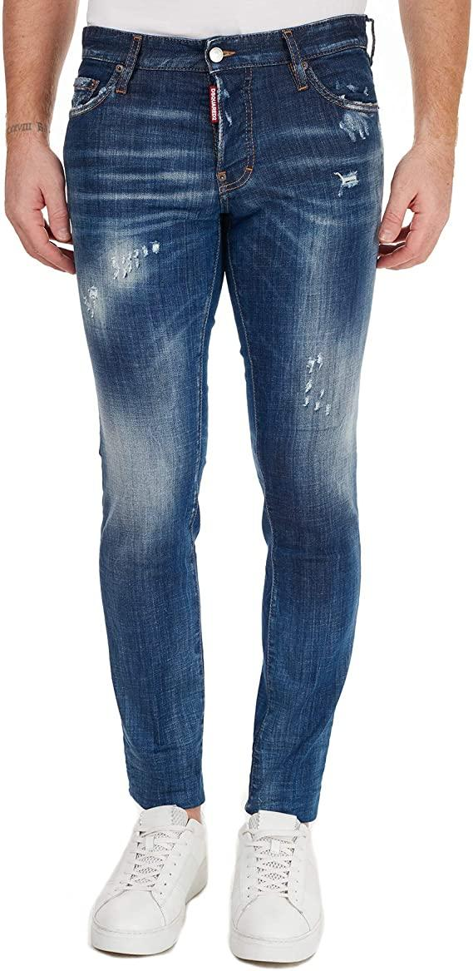 | S74LB0758S30342 470 | Dsquared2 | Blue | ( 1 t. IT52 ) | 1 | 221.00 € | 204.00 € | 204.00 € | 480.00 €
 |  |  |  |  | 0 |  |  | 0

