Worksheet
Image Produit | Référence | Marque | Couleur | Stock By Size | Stock Total | WholeSale Price | Take All Price | Total Take All Price | Retail Price | Order / Commande
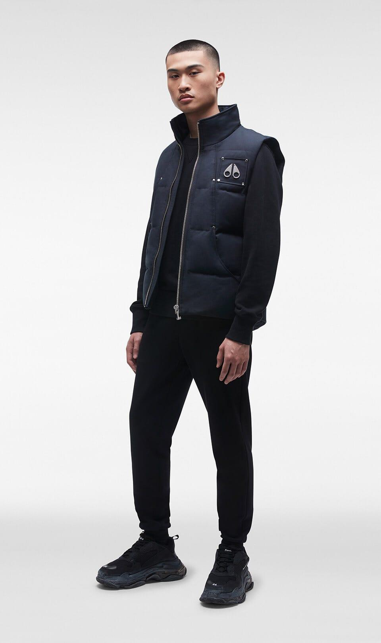 | M32MV474 833 | Moose Knuckles | NAVY | ( 1 t. M ) | 1 | 280.80 € | 259.20 € | 259.20 € | 550.00 €
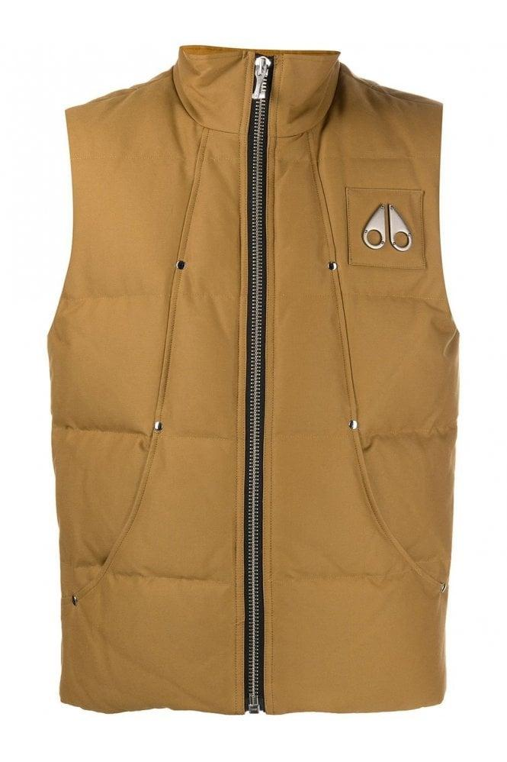 | M32MV474 949 | Moose Knuckles | BROWN | ( 1 t. M ) | 1 | 280.80 € | 259.20 € | 259.20 € | 550.00 €
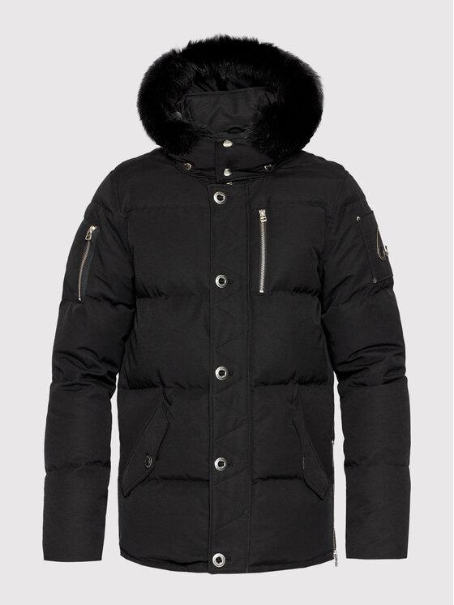 | MK2228M3Q 291 | Moose Knuckles | Black | ( 1 t. S ) | 1 | 682.50 € | 630.00 € | 630.00 € | 1,090.00 €
 |  |  |  |  | 0 |  |  | 0

